Tabelle1
article | Servo Motor | Linear Actuator
picture | 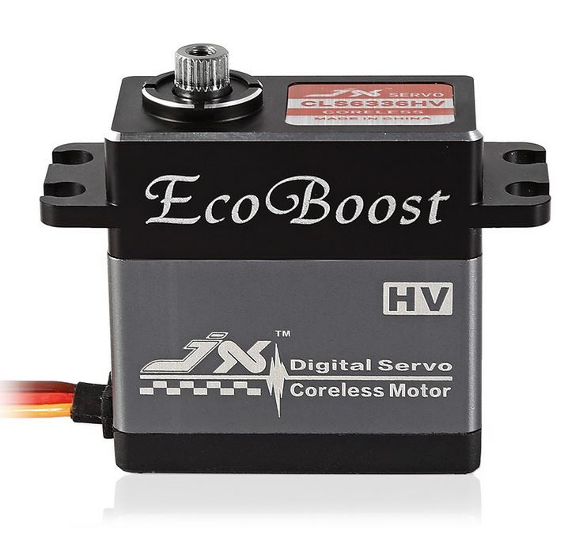
Link | https://shopee.com.my/JX-CLS6336HV-Digital-Metal-Gear-Coreless-Motor-Servo-35.6kg-Torque-Aluminum-fyfb-i.111564047.1921093403 | https://www.lazada.com.my/products/12v-200n-100150200300mm-linear-actuator-motor-stroke-electric-door-opener-i441685108-s652625813.html?spm=a2o4k.searchlist.list.78.981f35f9NWysCK&search=1
easy assembly | easy attach of a lever servo motor is constantly poweering to hold the torque | direct mounting to throttle need of a displacement measurement
price | RM120.05 | RM103.23
displacement /angle per time | 545°/s | 30mm/s
force/torque | 35,6kNm | 200N
controle | Controllable angle range from 0 to 180 degrees given by a PWM signal | 0V to 12V to drive forward 0V to -12V to drive reverse no feedback about position

